Summary
 | Sum

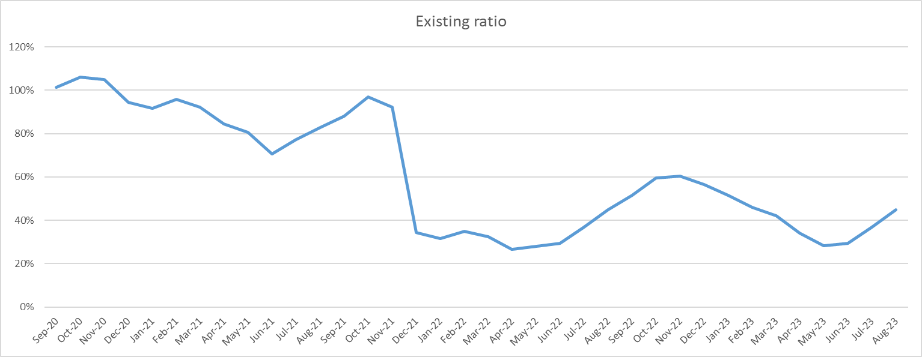

None
 | 0 | 5 | 25 | 50 | 75 | 95 | 100 | Average
 | 0 | 0 | 0 | 0 | 0 | 0 | 0 | 0
 | 0 | 0 | 0 | 0 | 0 | 0 | 0 | 0
 | 0 | 0 | 0 | 0 | 0 | 0 | 0 | 0
 | 372303.97135 | 373887.58758 | 380478.98139 | 390102.13606 | 400823.07779 | 407624.68614 | 409675.44581 | 390796.3112
 | 672027.9519 | 674488.09083 | 686132.74845 | 704501.78582 | 720246.67499 | 736007.96509 | 737467.64752 | 703808.02664
 | 153001.6585 | 218733.50058 | 233981.42505 | 235784.22911 | 237523.57394 | 242004.46033 | 246167.93974 | 233702.25146
 | 405072.62869 | 407983.46966 | 418644.42469 | 433817.18322 | 448080.30395 | 460400.43834 | 462707.2798 | 434109.72274
 | 791965.30669 | 800481.06268 | 826826.68276 | 859736.53142 | 897347.78702 | 925396.5583 | 931055.9878 | 861977.23971
 | 1088777.5318 | 1094273.1131 | 1130684.4757 | 1180370.5528 | 1236957.4739 | 1275050.133 | 1281499.2854 | 1183445.2007
 | 2289062.0311 | 2315093.5552 | 2412021.0985 | 2526030.6136 | 2704122.8679 | 2771944.8178 | 2916431.4895 | 2550414.4562
 | 1926629.3178 | 1936867.2715 | 1983321.9864 | 2033615.934 | 2089156.8328 | 2120126.6428 | 2130364.5965 | 2032633.0904
 | 1660912.0713 | 1670797.2191 | 1710026.9567 | 1747743.873 | 1785046.3176 | 1819240.2252 | 1826700.7141 | 1746158.5191
 | 701109.66888 | 859277.03692 | 950129.24643 | 1018305.5608 | 1088404.9333 | 1230558.6599 | 1356589.7924 | 1023372.6625
 | 54242.294379 | 68855.498934 | 80734.708335 | 92829.932921 | 106207.18155 | 122314.85316 | 151415.19739 | 93658.615437
 | 208031.43401 | 279425.10751 | 401539.12538 | 494466.09292 | 599171.13802 | 822425.04983 | 1255659.6933 | 514971.0708
 | 5165487.8419 | 6387113.7333 | 8516685.6357 | 10345223.192 | 12391334.352 | 15564936.216 | 22434780.705 | 10544010.005
 | 5234234.7596 | 8000304.9102 | 9680527.0151 | 11400070.773 | 14006881.011 | 17852016.021 | 26180986.914 | 12163616.341
 | 4559532.0857 | 6397320.2459 | 8444745.0826 | 9790879.9569 | 12115441.601 | 15942022.585 | 26713182.167 | 10539598.877
 | 4254733.9225 | 4750781.8306 | 5824129.3392 | 7445190.94 | 9305025.4366 | 14159975.203 | 26352282.111 | 8140634.1959
 | 4296203.4788 | 4928711.7021 | 5989440.0006 | 7399169.9727 | 9261996.7326 | 12537194.793 | 23716513.691 | 8054141.8574
 | 3375784.9688 | 3600652.9723 | 4727167.9924 | 6154181.0955 | 8898164.3589 | 12264100.308 | 20357225.692 | 6998957.4691
 | 2985231.038 | 4572746.2923 | 6038423.4231 | 8197555.6351 | 10555603.961 | 15814114.213 | 28237907.304 | 8814137.381
 | 4412157.1466 | 5017233.0745 | 6390156.1141 | 8446967.8747 | 11620783.769 | 17511308.757 | 27584090.049 | 9515796.7323
 | 4413986.3401 | 5040361.2577 | 6441541.8134 | 8293852.5469 | 10847838.222 | 16279354.763 | 22806424.247 | 9116188.3698
 | 2414814.6146 | 2704952.054 | 3493948.3611 | 4396509.8377 | 5634986.1159 | 8677484.9935 | 13712490.351 | 4838856.0013
 | 1250911.4152 | 1709778.9736 | 2415032.3002 | 3218034.1979 | 4486960.6151 | 7978689.2934 | 12516287.873 | 3747160.5239
 | 961189.69273 | 1404746.7003 | 2167139.6918 | 3042495.5862 | 4362155.0933 | 8501100.475 | 16366589.452 | 3703602.8538
 | 806214.91299 | 1765316.5696 | 2783023.04 | 3805295.3649 | 5118434.6517 | 8527498.6868 | 21334917.522 | 4402952.8459
 | 881538.92526 | 1921518.9097 | 3065486.5969 | 4664963.5141 | 6670663.5043 | 10980668.374 | 28242282.357 | 5467558.6494
 | 1075036.4943 | 2049698.0182 | 3362803.4401 | 4621998.5535 | 6759603.9601 | 10759262.338 | 23308152.196 | 5427529.71
 | 926391.26336 | 1734665.5068 | 3141338.9202 | 4673824.3213 | 6620202.0218 | 11712354.164 | 25663273.474 | 5518711.838
 | 805902.68806 | 1437964.9524 | 2429871.9323 | 3646155.3212 | 5652557.0435 | 9281385.4355 | 25424410.618 | 4419641.8763
 | 841798.65554 | 1441112.7036 | 2565448.6365 | 4144823.5558 | 6315990.6672 | 11892705.674 | 32517617.207 | 5180215.1419
 | 502313.99345 | 964004.01946 | 2026965.1193 | 3374174.8461 | 5634714.7199 | 11624220.746 | 36859643.862 | 4597312.3955
 | 640451.23559 | 1443912.7527 | 2620371.4128 | 4239403.5553 | 7220412.0873 | 14808367.061 | 52557477.265 | 5888641.8939
 | 954936.76793 | 1667847.2297 | 2877264.835 | 4670592.8886 | 7321158.5981 | 13973071.928 | 38723966.084 | 5771487.0569

Percentile
0
5
25
50
75
95
100
Average

